Q1
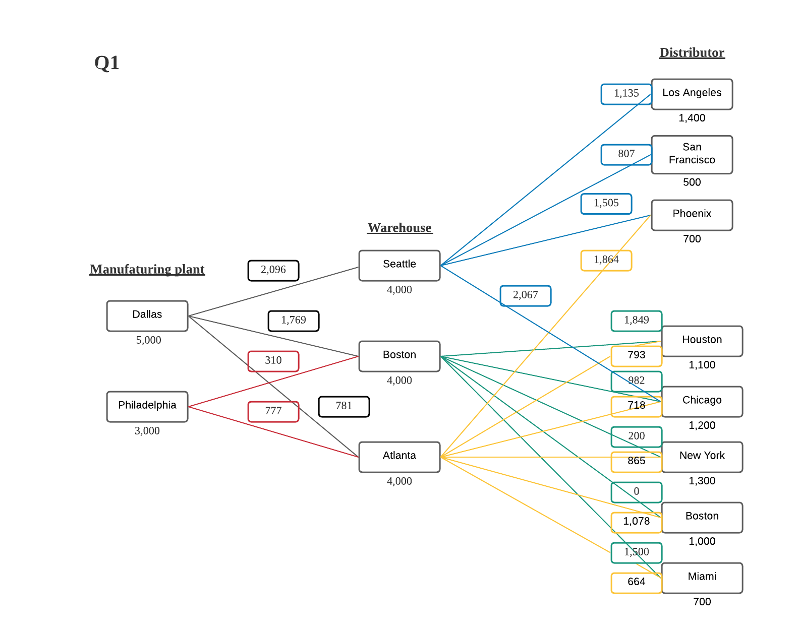
Solution from solver suggest that we need to relex the distance constrain at least up to 2,220 in order to reach optimal solution to minimize the transportation cost. When relex the distance constrain, optimal grand total cost is $12,966,200.
Manufaturing plant-Warehouse |  |  |  |  |  |  |  |  |  | Warehouse-Distributor
Data |  |  |  |  |  |  |  |  |  | Data
 | Cost ($/unit) | Seattle | Boston | Atlanta | Supply |  |  |  |  |  | Cost ($/unit) | Los Angeles | San Francisco | Phoenix | Houston | Chicago | New York | Boston | Miami | Supply
 | Dallas | 2,096 | 1,769 | 781 | 5,000 |  |  |  |  |  | Seattle | 1,135 | 807 | 1,505 | 2,344 | 2,067 | 2,857 | 3,051 | 3,302 | 900
 | Philadelphia | 2,800 | 310 | 777 | 3,000 |  |  |  |  |  | Boston | 2,987 | 3,101 | 2,650 | 1,849 | 982 | 200 | - | 1,500 | 3,000
 | Demand | 4,000 | 4,000 | 4,000 |  |  |  |  |  |  | Atlanta | 2,220 | 2,476 | 1,864 | 793 | 718 | 865 | 1,078 | 664 | 4,000
 |  |  |  |  |  |  |  |  |  |  | Demand | 1,400 | 500 | 700 | 1,100 | 1,200 | 1,300 | 1,000 | 700

Decisions and Constraints
 |  | To |  |  |  |  |  |  |  | Decisions and Constraints
 |  | Seattle | Boston | Atlanta |  |  | Supply |  |  |  |  | To
From | Dallas | 900 | - | 4,000 |  |  | 4,900 | ≤ | 5,000 |  |  | Los Angeles | San Francisco | Phoenix | Houston | Chicago | New York | Boston | Miami |  |  | Supply
 | Philadelphia | - | 3,000 | - |  |  | 3,000 | ≤ | 3,000 | From | Seattle | 400 | 500 | - | - | - | - | - | - |  |  | 900 | ≤ | 900
 |  |  |  |  |  |  |  |  |  |  | Boston | - | - | - | - | 700 | 1,300 | 1,000 | - |  |  | 3,000 | ≤ | 3,000
Manufaturing plant-Warehouse Condition
Xds+Xdb+Xda ≤ 5000 Dallas supply
Xpb+Xpa ≤ 3000 Philadelphia supply
Xds ≥ 4000 Seattle demand
Xdb+Xpb ≥ 4000 Boston demand
Xda+Xpa ≥ 4000 Atlanta demand
 | Demand | 900 | 3,000 | 4,000 |  |  |  |  |  |  | Atlanta | 1,000 | - | 700 | 1,100 | 500 | - | - | 700 |  |  | 4,000 | ≤ | 4,000
Warehouse-Distributor Condition
Xsl+Xss+Xsp ≤ 900 Seattle supply
Xbh+Xbc+Xbn+Xbb+Xbm ≤ 3000 Boston supply Xap+Xah+Xac+Xan+Xab+Xam ≤ 4000 Atlanta supply
Xsl ≥ 1400 Los Angeles demand
Xss ≥ 500 San Francisco demand
Xsp+Xap ≥ 700 Phoenix demand
Xbh+xah ≥ 1100 Houston demand
Xbc+Xac ≥ 1200 Chicago demand
Xbn+an ≥ 1300 New York demand
Xbb+Xab ≥ 1000 Boston demand
Xbm+Xam ≥ 700 Miami demand
 |  | ≤ | ≤ | ≤
 |  | 4,000 | 4,000 | 4,000 |  |  |  |  |  |  | Demand | 1,400 | 500 | 700 | 1,100 | 1,200 | 1,300 | 1,000 | 700
 |  |  |  |  |  |  |  |  |  |  |  | ≥ | ≥ | ≥ | ≥ | ≥ | ≥ | ≥ | ≥
 |  |  |  |  |  |  |  |  |  |  |  | 1,400 | 500 | 700 | 1,100 | 1,200 | 1,300 | 1,000 | 700

Objective |  |  |  |  |  |  |  |  |  | Objective

 | Total Cost | $5,940,400 |  |  |  |  |  |  |  |  | Total Cost | $7,025,800

 |  |  |  |  |  | Xij= # of unit shipped from plant to warehouse
 |  |  |  |  |  | i= plant initial
 |  |  |  |  |  | j=warehouse initial

Min | 2096Xds+1769Xdb+781Xda+310Xpb+777Xpa+1135Xsl+807Xss+1505Xsp+2067Xsc+1849Xbh+982Xbc+200Xbn+Xbb+1500Xbm+1864Xap+793Xah+718Xac+865Xan+1078Xab+664Xam |  |  |  |  |  |  |  |  |  |  |  |  |  |  |  |  |  |  |  | Xij= # of unit shipped from plant to warehouse
 |  |  |  |  |  |  |  |  |  |  |  |  |  |  |  |  |  |  |  |  | i= plant initial
Optimal Grand Total Cost | $12,966,200 |  |  |  |  |  |  |  |  |  |  |  |  |  |  |  |  |  |  |  | j=warehouse initial

Q2
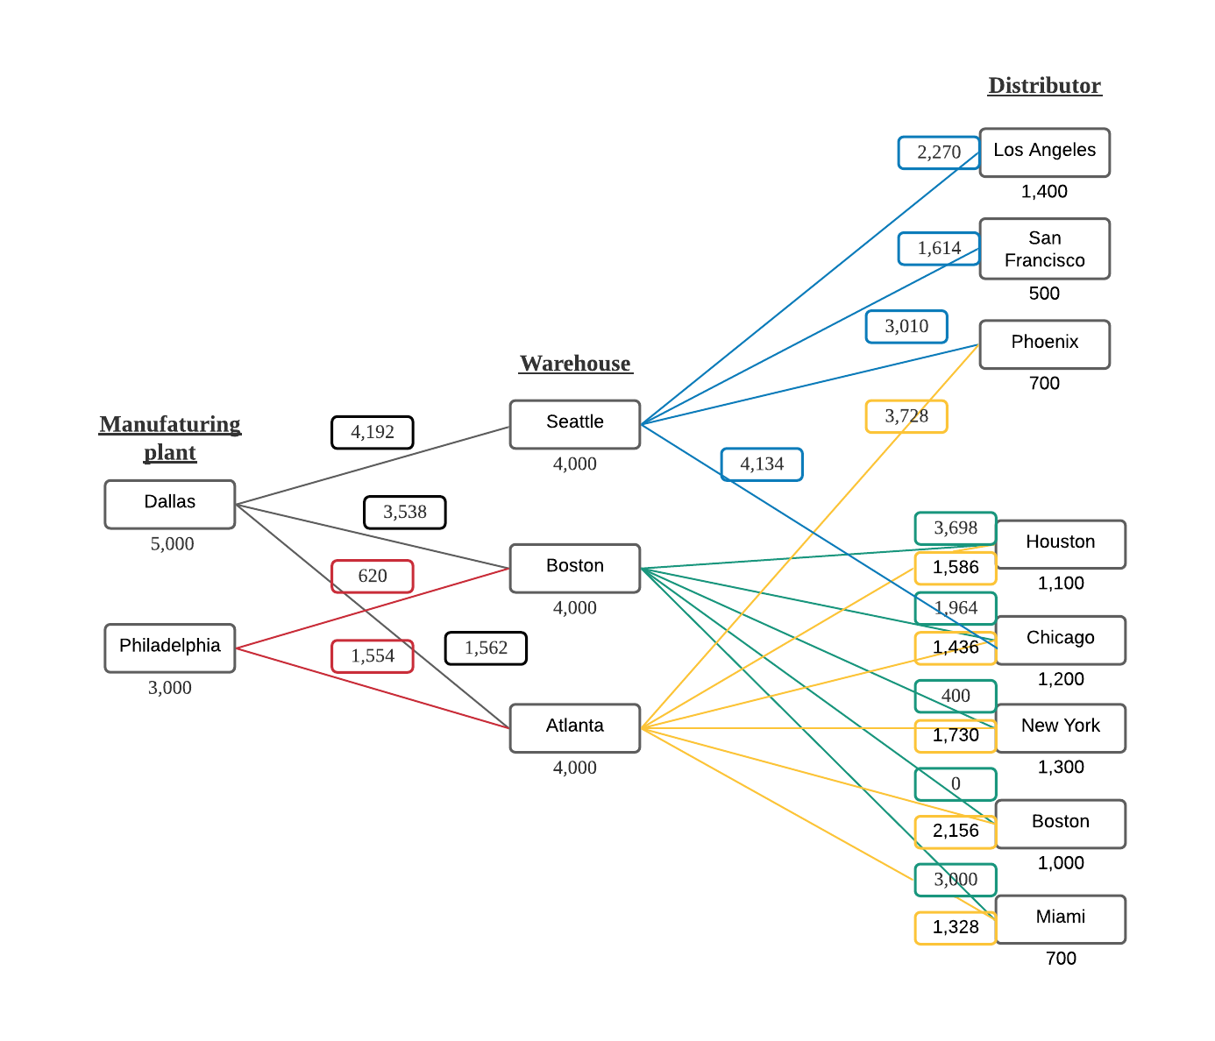
Solution from solver suggest that we need to relex the distance constrain at least up to 2,220 in order to reach optimal solution to minimize the transportation cost. When relex the distance constrain, optimal grand total cost is $25,932,400.
Manufaturing plant-Warehouse |  |  |  |  |  |  |  |  |  | Warehouse-Distributor
Data |  |  |  |  |  |  |  |  |  | Data

 | Cost ($/unit) | Seattle | Boston | Atlanta | Supply |  |  |  |  |  | Cost ($/unit) | Los Angeles | San Francisco | Phoenix | Houston | Chicago | New York | Boston | Miami | Supply
 | Dallas | 4,192 | 3,538 | 1,562 | 5,000 |  |  |  |  |  | Seattle | 2,270 | 1,614 | 3,010 | 4,688 | 4,134 | 5,714 | 6,102 | 6,604 | 900
 | Philadelphia | 5,600 | 620 | 1,554 | 3,000 |  |  |  |  |  | Boston | 5,974 | 6,202 | 5,300 | 3,698 | 1,964 | 400 | - | 3,000 | 3,000
 | Demand | 4,000 | 4,000 | 4,000 |  |  |  |  |  |  | Atlanta | 4,440 | 4,952 | 3,728 | 1,586 | 1,436 | 1,730 | 2,156 | 1,328 | 4,000
 |  |  |  |  |  |  |  |  |  |  | Demand | 1,400 | 500 | 700 | 1,100 | 1,200 | 1,300 | 1,000 | 700

Decisions and Constraints
 |  | To |  |  |  |  |  |  |  | Decisions and Constraints
 |  | Seattle | Boston | Atlanta |  |  | Supply |  |  |  |  | To
From | Dallas | 900 | - | 4,000 |  |  | 4,900 | ≤ | 5,000 |  |  | Los Angeles | San Francisco | Phoenix | Houston | Chicago | New York | Boston | Miami |  |  | Supply
 | Philadelphia | - | 3,000 | - |  |  | 3,000 | ≤ | 3,000 | From | Seattle | 400 | 500 | - | - | - | - | - | - |  |  | 900 | ≤ | 900
 |  |  |  |  |  |  |  |  |  |  | Boston | - | - | - | - | 700 | 1,300 | 1,000 | - |  |  | 3,000 | ≤ | 3,000
 | Demand | 900 | 3,000 | 4,000 |  |  |  |  |  |  | Atlanta | 1,000 | - | 700 | 1,100 | 500 | - | - | 700 |  |  | 4,000 | ≤ | 4,000
Manufaturing plant-Warehouse Condition
Xds+Xdb+Xda ≤ 5000 Dallas supply
Xpb+Xpa ≤ 3000 Philadelphia supply
Xds ≥ 4000 Seattle demand
Xdb+Xpb ≥ 4000 Boston demand
Xda+Xpa ≥ 4000 Atlanta demand
 |  | ≤ | ≤ | ≤
Warehouse-Distributor Condition
Xsl+Xss+Xsp ≤ 900 Seattle supply
Xbh+Xbc+Xbn+Xbb+Xbm ≤ 3000 Boston supply Xap+Xah+Xac+Xan+Xab+Xam ≤ 4000 Atlanta supply
Xsl ≥ 1400 Los Angeles demand
Xss ≥ 500 San Francisco demand
Xsp+Xap ≥ 700 Phoenix demand
Xbh+xah ≥ 1100 Houston demand
Xbc+Xac ≥ 1200 Chicago demand
Xbn+an ≥ 1300 New York demand
Xbb+Xab ≥ 1000 Boston demand
Xbm+Xam ≥ 700 Miami demand
 |  | 4,000 | 4,000 | 4,000 |  |  |  |  |  |  | Demand | 1,400 | 500 | 700 | 1,100 | 1,200 | 1,300 | 1,000 | 700
 |  |  |  |  |  |  |  |  |  |  |  | ≥ | ≥ | ≥ | ≥ | ≥ | ≥ | ≥ | ≥
 |  |  |  |  |  |  |  |  |  |  |  | 1,400 | 500 | 700 | 1,100 | 1,200 | 1,300 | 1,000 | 700

Objective |  |  |  |  |  |  |  |  |  | Objective

 | Total Cost | $11,880,800 |  |  |  |  |  |  |  |  | Total Cost | $14,051,600

 |  |  |  |  |  | Xij= # of unit shipped from plant to warehouse
 |  |  |  |  |  | i= plant initial
 |  |  |  |  |  | j=warehouse initial

Min | 4192Xds+3538Xdb+1562Xda+620Xpb+1554Xpa+2270Xsl+1614Xss+3010Xsp+4134Xsc+3698Xbh+1964Xbc+400Xbn+Xbb+3000Xbm+3728Xap+1586Xah+1436Xac+1730Xan+2156Xab+1328Xam
 |  |  |  |  |  |  |  |  |  |  |  |  |  |  |  |  |  |  |  |  | Xij= # of unit shipped from plant to warehouse
Optimal Grand Total Cost | $25,932,400 |  |  |  |  |  |  |  |  |  |  |  |  |  |  |  |  |  |  |  | i= plant initial
 |  |  |  |  |  |  |  |  |  |  |  |  |  |  |  |  |  |  |  |  | j=warehouse initial

Q3
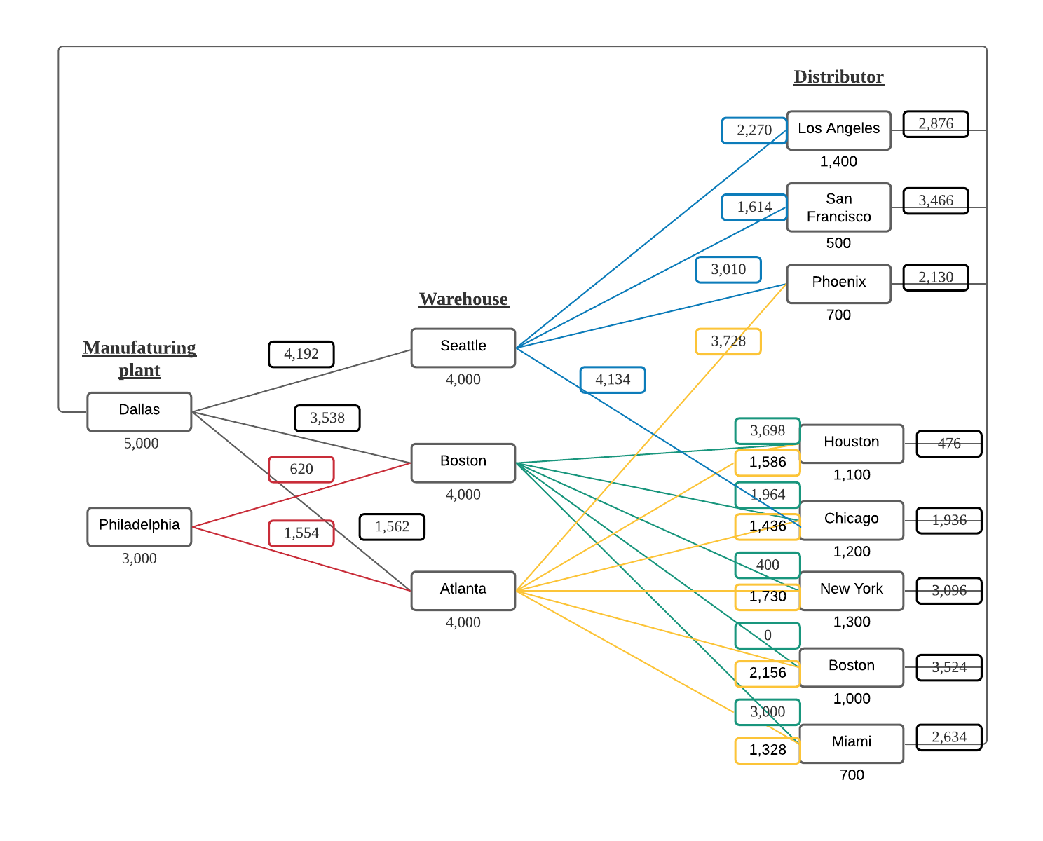
Manufaturing plant-Warehouse |  |  |  |  |  |  |  |  |  | Warehouse-Distributor
Data |  |  |  |  |  |  |  |  |  | Data
Solution from solver suggest that we need to relex the distance constrain at least up to 2,220 in order to reach optimal solution to minimize the transportation cost. When relex the distance constrain, optimal grand total cost is $16,755,200.
 | Cost ($/unit) | Seattle | Boston | Atlanta | Supply |  |  |  |  |  | Cost ($/unit) | Los Angeles | San Francisco | Phoenix | Houston | Chicago | New York | Boston | Miami | Supply
 | Dallas | 4,192 | 3,538 | 1,562 | 5,000 |  |  |  |  |  | Seattle | 2,270 | 1,614 | 3,010 | 4,688 | 4,134 | 5,714 | 6,102 | 6,604 | 500
 | Philadelphia | 5,600 | 620 | 1,554 | 3,000 |  |  |  |  |  | Dallas | 2,876 | 3,466 | 2,130 | 476 | 1,936 | 3,096 | 3,524 | 2,634 | 3,000
 | Demand | 4,000 | 4,000 | 4,000 |  |  |  |  |  |  | Boston | 5,974 | 6,202 | 5,300 | 3,698 | 1,964 | 400 | - | 3,000 | 3,000
 |  |  |  |  |  |  |  |  |  |  | Atlanta | 4,440 | 4,952 | 3,728 | 1,586 | 1,436 | 1,730 | 2,156 | 1,328 | 1,400
 |  |  |  |  |  |  |  |  |  |  | Demand | 1,400 | 500 | 700 | 1,100 | 1,200 | 1,300 | 1,000 | 700
Decisions and Constraints
 |  | To
 |  | Seattle | Boston | Atlanta |  |  | Supply |  |  | Decisions and Constraints
From | Dallas | 500 | - | 1,400 |  |  | 1,900 | ≤ | 5,000 |  |  | To
 | Philadelphia | - | 3,000 | - |  |  | 3,000 | ≤ | 3,000 |  |  | Los Angeles | San Francisco | Phoenix | Houston | Chicago | New York | Boston | Miami |  |  | Supply
 |  |  |  |  |  |  |  |  |  | From | Seattle | - | 500 | - | - | - | - | - | - |  |  | 500 | ≤ | 500
Manufaturing plant-Warehouse Condition
Xds+Xdb+Xda ≤ 5000 Dallas supply
Xpb+Xpa ≤ 3000 Philadelphia supply
Xds ≥ 4000 Seattle demand
Xdb+Xpb ≥ 4000 Boston demand
Xda+Xpa ≥ 4000 Atlanta demand
 | Demand | 500 | 3,000 | 1,400 |  |  |  |  |  |  | Dallas | 1,400 | - | 700 | 900 | - | - | - | - |  |  | 3,000 | ≤ | 3,000
 |  | ≤ | ≤ | ≤ |  |  |  |  |  |  | Boston | - | - | - | - | 700 | 1,300 | 1,000 | - |  |  | 3,000 | ≤ | 3,000
 |  | 4,000 | 4,000 | 4,000 |  |  |  |  |  |  | Atlanta | - | - | - | 200 | 500 | - | - | 700 |  |  | 1,400 | ≤ | 1,400
Warehouse-Distributor Condition
Xsl+Xss+Xsp ≤ 500 Seattle supply
Xbh+Xbc+Xbn+Xbb+Xbm ≤ 3000 Boston supply Xap+Xah+Xac+Xan+Xab+Xam ≤ 3000 Atlanta supply
Xdl+Xds+Xdp+Xdh+Xdc+Xdn+Xdb+Xdm ≤ 1400 Dallas Supply
Xsl ≥ 1400 Los Angeles demand
Xss ≥ 500 San Francisco demand
Xsp+Xap ≥ 700 Phoenix demand
Xbh+xah ≥ 1100 Houston demand
Xbc+Xac ≥ 1200 Chicago demand
Xbn+an ≥ 1300 New York demand
Xbb+Xab ≥ 1000 Boston demand
Xbm+Xam ≥ 700 Miami demand
 |  |  |  |  |  |  |  |  |  |  | Demand | 1,400 | 500 | 700 | 1,100 | 1,200 | 1,300 | 1,000 | 700
 |  |  |  |  |  |  |  |  |  |  |  | ≥ | ≥ | ≥ | ≥ | ≥ | ≥ | ≥ | ≥
Objective |  |  |  |  |  |  |  |  |  |  |  | 1,400 | 500 | 700 | 1,100 | 1,200 | 1,300 | 1,000 | 700
 |  |  |  |  |  |  |  |  |  | Objective
 | Total Cost | $6,142,800

 |  |  |  |  |  | Xij= # of unit shipped from plant to warehouse |  |  |  |  | Total Cost | $10,612,400
 |  |  |  |  |  | i= plant initial
 |  |  |  |  |  | j=warehouse initial

Min | 4192Xds+3538Xdb+1562Xda+620Xpb+1554Xpa+2270Xsl+1614Xss+3010Xsp+4134Xsc+3698Xbh+1964Xbc+400Xbn+Xbb+3000Xbm +3728Xap+1586Xah+1436Xac+1730Xan+2156Xab+1328Xam+2876Xdl+3466Xds+2130Xdp+476Xdh+1936Xdc+3096Xdn+3524Xdb+2634Xdm
 |  |  |  |  |  |  |  |  |  |  |  |  |  |  |  |  |  |  |  |  | Xij= # of unit shipped from plant to warehouse
Optimal Grand Total Cost | $16,755,200 |  |  |  |  |  |  |  |  |  |  |  |  |  |  |  |  |  |  |  | i= plant initial
 |  |  |  |  |  |  |  |  |  |  |  |  |  |  |  |  |  |  |  |  | j=warehouse initial

Q4
